Intro



Capítulo 1: Dominio de funciones y herramientas avanzadas

Caso práctico

Dashboard
 | 1. Ventes totales annuelles par type de produit

 | Produit | DETA200
 |  |  |  |  |  |  | Exemple:
 | DETA200
2011 | 25110 €
2012 | 57629 €
2013 | 25266 €
2014 | 10459 €
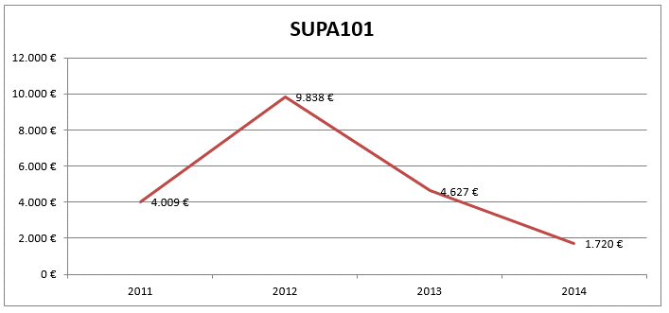

 | 2. Ventes par pays

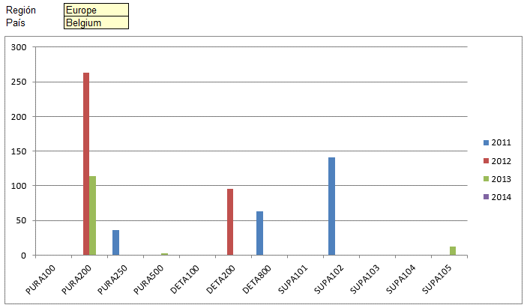
 | Région | Europe |  |  |  |  | Exemple:
 | Pays | Germany

 | 2011 | 2012 | 2013 | 2014
PURA100 | 0 | 324 | 576 | 0
PURA200 | 0 | 0 | 0 | 0
PURA250 | 400.5 | 895.5 | 0 | 0
PURA500 | 0 | 0 | 0 | 0
DETA100 | 0 | 0 | 0 | 0
DETA200 | 0 | 0 | 0 | 0
DETA800 | 0 | 1143 | 0 | 0
SUPA101 | 0 | 0 | 0 | 0
SUPA102 | 0 | 783 | 99 | 0
SUPA103 | 0 | 1167.33 | 0 | 0
SUPA104 | 0 | 0 | 0 | 0
SUPA105 | 1160 | 2581 | 0 | 0

 | 3. Analyse des achats totaux annuels par client

 | Últimas : montant total des achats du client dans les N derniers jours de l'année 2014
N = | 148 |  |  |  |  |  | Exemple:
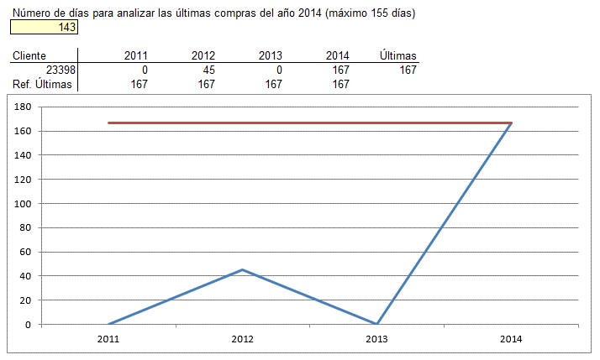
 | Client | 2011 | 2012 | 2013 | 2014 | Últimas
 | 23883 | 31.5 | 642.39 | 0 | 869.13 | 869.13
 | Ref. Últimas | 869.13 | 869.13 | 869.13 | 869.13

